charts
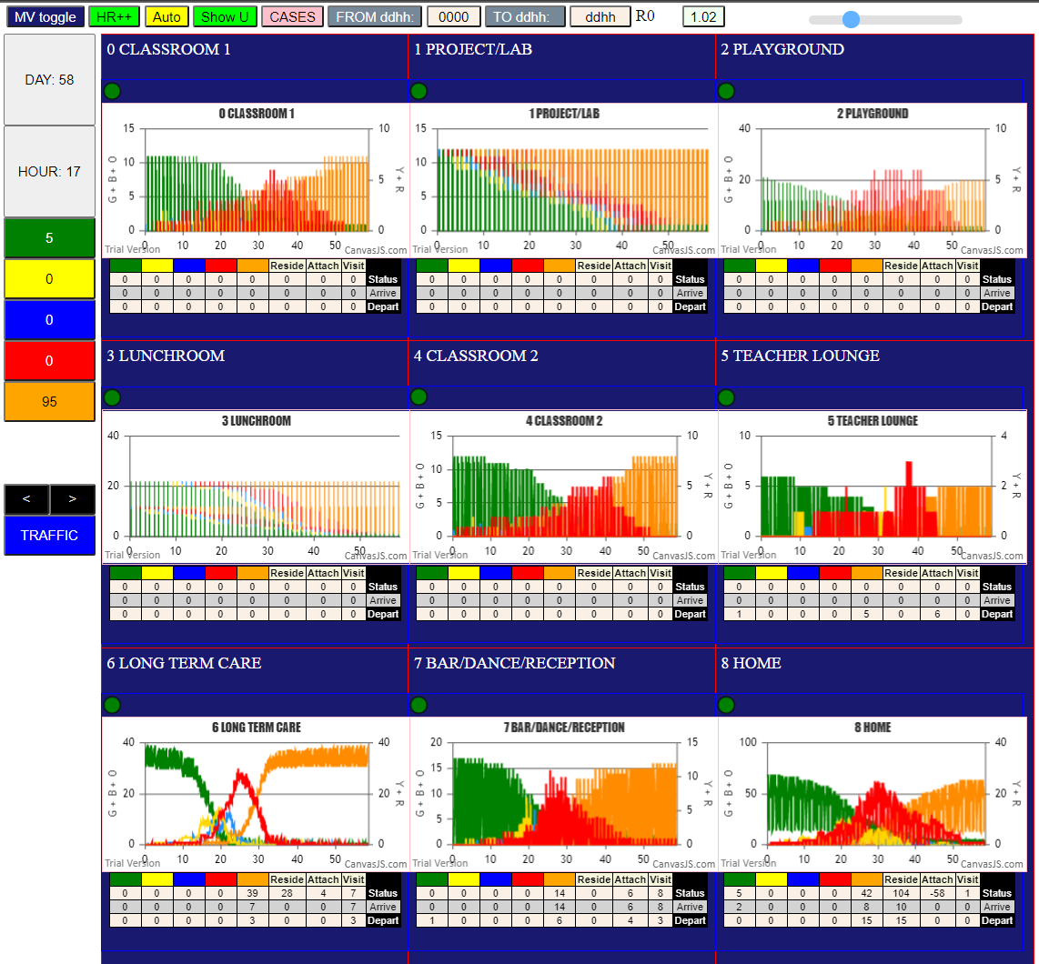
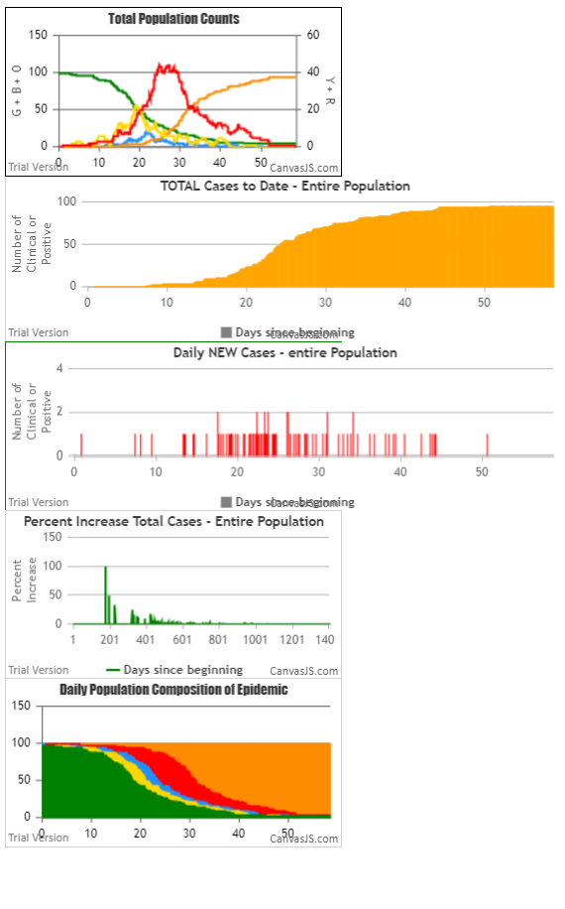

LTC U6 | Mingle Factor | 2
U7 | Mingle Factor | 20

